IPI DRB Minutes
 |  | IBIDEN PHILIPPINES, INC. |  |  |  |  |  |  |  |  |  |  |  |  |  |  |  |  |  |  | DRB/MRB No. : |  | D-SAP-20-02-002
 |  | DRB/MRB REPORT MINUTES |  |  |  |  |  |  |  |  |  |  |  |  |  |  |  |  |  |  | RFC No. : |  | 43-0220-0171

Theme: |  |  | Wrong Glass mask used
Meeting Date : |  |  | 26-Feb-20 |  |  |  |  |  |  |  |  |  |  |  |  | Originated by : |  |  |  |  | Art Gerardo Jr / SAP
Meeting Time: |  |  | 1100H-1200H |  |  |  |  |  |  |  |  |  |  |  |  |  |  |  |  |  | Name /Block
Meeting Place: |  |  | VF Table |  |  |  |  |  |  |  |  |  |  |  |  | Approved by : |  |  |  |  |  | Orlando Espocia
Chairman: |  |  | Orlando Espocia |  |  |  |  |  |  |  |  |  |  |  |  |  |  |  |  | Originator ASM/SM/DGM/GM
Block: |  |  | SAP
Attendees : |  |  | Manufacturing |  |  | Engineering/NPD |  |  |  | Facilities/EE |  |  |  |  | QA/QC |  |  |  |  | PPIC/CSE |  |  |  | Other
 |  |  | Art |  |  |  | Ogawa_san |  |  |  | N/A |  |  |  | S'Ferdz |  |  |  |  |  | N/A |  |  | Makino_san
 |  |  | S'Orly |  |  |  | Jaypee_san |  |  |  |  |  |  |  | M'Cha
 |  |  | Kanatani_san
 |  |  | S'Jun / S'Sapy
 |  | Feb 27,2020 | Art, / S'Toto |  |  |  | S'Jp |  |  |  | N/A |  |  |  | S'Ferdz
 |  |  | Kanatani_san
 |  | Feb 28,2020 | Art / S'Toto / S'Ricky |  |  |  | S'Josh |  |  |  |  |  |  |  |  | S'Ferdz,M'Cha
 |  |  | S'Orly / S'Sapy
<1>PROBLEM STATEMENT : (Put another sheet if multiple lots was discovered affected)
DEFECT ISSUE: |  |  | Wrong Glass mask used |  | # | PRODUCT/MODEL AFFECTED |  |  |  | PRODUCT FAMILY |  |  | LEDGER NO. |  | PRODUCT SIZE |  | LOT NUMBER |  |  | AFFECTEDLAYER |  | AFFECTED PANEL |  | AFFECTED UNIT OR IF PERCENTAGE
DATE/TIME OCCURRED: |  |  | Feb-25-20 |  | 1 | IPI Kaby Lake U42 Refresh |  |  |  | UTC |  |  |  |  |  |  | P7986320 |  |  | 1st bu |  | 1'32 |  | 100%
PROCESS DETECTED: |  |  | SNR |  | 2 | Kabylake U 2+2 BGA |  |  |  | UTC |  |  |  |  |  |  | P7996320 |  |  | 1st bu |  | 1-32 |  | 100%
PROCESS AFFECTED: |  |  | SNR |  | 3
# OF AFFECTED LOTS : |  |  | 2 |  | 4
WHO DETECTED: |  |  | PTP CO |  | 5
 | ""Nothing Follow"
WHAT IS THE PROBLEM DIFFERENCE FROM NORMAL TO ABNORMAL SITUATION? CHANGING POINT? DISCUSS THE FLOW. (Indicate 5W and 1H)
 |  | What: Wrong glass mask
 |  | Where: SAP PTP
 |  | When: Feb 25,2020
 |  | Why: Swapping of LTS
 |  | Who: PTP Co1
 |  | How: Under investigation
THE AGENDA ITEM IS RECURRENCE? |  |  |  | RECURRENCE |  |  |  | NEW |  |  |  | Recurrence Definition |  |  |  | 1. Rootcause is clear happened in same MC and parts 2. Rootcause is not clear but same issue 3. The Action was not proliferated to other process and machine but it was discussed during the meeting
THE AGENDA ITEM IS ESCAPEE? |  |  |  | YES |  |  |  | NO
PROBLEM CATEGORY |  |  | MAN |  | MACHINE |  |  |  | METHOD |  |  | MATERIAL |  |  | MEASUREMENT |  |  |  | ENVIRONMENT |  |  |  | OTHERS
DRB CLOSING RANK |  |  | RANK 1 |  | RANK 2 |  |  |  | RANK 3 |  |  | RANK 4 |  |  | RANK 5 |  |  |  | OTHERS

<2> INVESTIGATION/IDENTIFICATION OF AFFECTED AREA, SITUATION (Define the phenomenon, mode and tendency occurrence,Etc.)

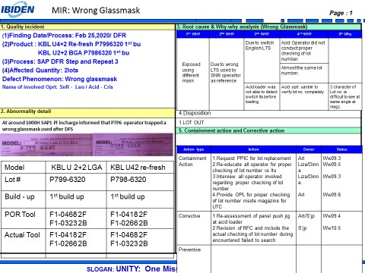
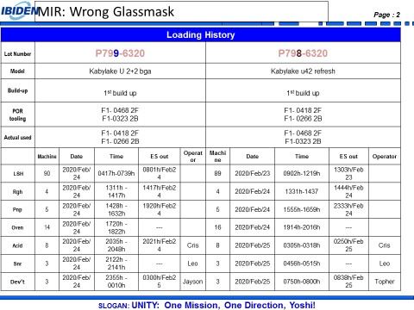
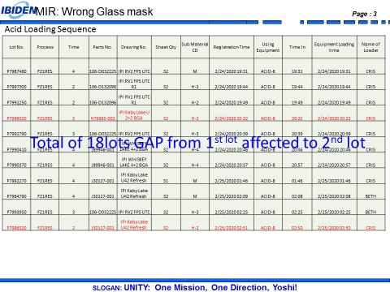

<3> CONTAINMENT ACTION (Note: Do not disable the interlock system when doing the action) |  |  |  |  |  |  |  |  |  |  |  |  |  |  |  |  | Responsible |  |  | Completion Date |  |  | Status
 |  |  |  |  |  |  |  |  |  |  |  |  |  |  |  |  | Name / Block
1.Request PPIC for lot replacement |  |  |  |  |  |  |  |  |  |  |  |  |  |  |  |  | Art |  |  | Ww09.3 |  |  | Done already replaced
2.Re-educate all operator for proper checking of lot number vs lts |  |  |  |  |  |  |  |  |  |  |  |  |  |  |  |  | Liza/Dinna |  |  | Ww09.4 |  |  | Done
3.Interview all involved operator regarding proper checking of lot number |  |  |  |  |  |  |  |  |  |  |  |  |  |  |  |  | Liza/Dinna |  |  | Ww09.3 |  |  | Done with written guidance
4.Provide OPL for proper checking of lot number inside magazine for UTC |  |  |  |  |  |  |  |  |  |  |  |  |  |  |  |  | Art |  |  | Ww09.6 |  |  | Done,already with OPL
5.Provide panel push jig at loader for UTC lot |  |  |  |  |  |  |  |  |  |  |  |  |  |  |  |  | Art |  |  | Ww09.5 |  |  | Done,already provided
6.Revision of RFC include checking of actual panel lot number during encountered failed to search error |  |  |  |  |  |  |  |  |  |  |  |  |  |  |  |  | S'Jp |  |  | Ww10.5 |  |  | On going
<4> DISPOSITION OF AFFECTED LOT AND RISK ASSESSMENT

Assessment Item (# of sample/Method) |  |  |  | Responsible Name / Block |  |  |  | Completion Date |  |  | Assessment Result (No Good/TTL QTY) |  |  |  |  |  | Judgment (OK/NG) |  |  | Final Disposition

 |  |  |  |  |  |  |  |  |  |  |  |  |  |  |  |  |  |  |  |  | Proceed |  | Qty : ______________________________
 |  |  |  |  |  |  |  |  |  |  |  |  |  |  |  |  |  |  |  |  | Piece Out |  | Qty : _______ Pnl #: ________________
 |  |  |  |  |  |  |  |  |  |  |  |  |  |  |  |  |  |  |  |  | Sheet Out |  | Qty : ______________________________
 |  |  |  |  |  |  |  |  |  |  |  |  |  |  |  |  |  |  |  |  | Lot Out |  | Qty : ______________________________ | 2lots
 |  |  |  |  |  |  |  |  |  |  |  |  |  |  |  |  |  |  |  |  | SDR
Risk Assessment Category |  |  |  |  |  |  |  |  |  |  |  | Remarks
 |  | Low |  | Medium |  |  |  |  | High |  |  | ________________________

<5>ACTION REQUIRED (Note: Do not disable the interlock system when doing the action)

Action Request |  |  |  |  |  |  |  |  |  |  | Responsible Name / Block |  |  |  |  |  | Completion Date |  |  | Detail Results
February 26,2020
1.Provide investigation for RGH/PNP for lts swapping |  |  |  |  |  |  |  |  |  |  | M'Dinna -VF - MFG |  |  |  |  |  | Ww09.5 |  |  | On going continue investigation
2.Ask explanation for the lappses of other sub process (Devt,PTP) and RGH PNP |  |  |  |  |  |  |  |  |  |  | M'Liza /M'Dinna - MFG |  |  |  |  |  | Ww09.4 |  |  | Done,Acid operator check only the 4character only.
3.Revisit the RFC for failed to search and consider the unloading and checking of actual panel during encountered failed to search |  |  |  |  |  |  |  |  |  |  | S'Jaypee - Eng'g |  |  |  |  |  | Ww10.5 |  |  | On going
4.Check alignment mark of affected product |  |  |  |  |  |  |  |  |  |  | S'Jaypee - Eng'g |  |  |  |  |  | Ww09.4 |  |  | Done,same alignment mark based on design
5.Consider the other character during generation of new lot numbers |  |  |  |  |  |  |  |  |  |  | S'Jun |  |  |  |  |  | TBD
6.Re-assessment of panel push jig at acid loader |  |  |  |  |  |  |  |  |  |  | Art / S'Jp/S'Ferdz |  |  |  |  |  | Ww09.4 |  |  | Done,cont used the push jig at acid loader
7.Provide OPL for proper checking of lot number inside magazine for UTC lot |  |  |  |  |  |  |  |  |  |  | Art |  |  |  |  |  | Ww09.6 |  |  | Done for approval
8.Dissemination of OPL for proper checking of lot number |  |  |  |  |  |  |  |  |  |  | M'Liza /M'Dinna - MFG |  |  |  |  |  | Ww09.6 |  |  | Done,100% dessiminated
February 28,2020
1.Installation of camera at loader to check the lot number vs pda |  |  |  |  |  |  |  |  |  |  | S'Art / S'Orly |  |  |  |  |  | Ww10.1 |  |  | Done,not executed due to cost issue
2.Modification of magazine seperator for UTC product |  |  |  |  |  |  |  |  |  |  | S'Art / S'Orly |  |  |  |  |  | Ww10.1 |  |  | Done,not executed due to cost issue

<6> ROOTCAUSE GENERATION/ANALYSIS <WHY ANALYSIS by 5M1E, DESIGN AND CAPABILITY>

 | 1. FACTOR GAP ANALYSIS
 | Problem/Issue |  | Gap Type |  | 1st why |  |  |  |  | 2nd why |  |  |  |  |  | 3rd why |  |  |  |  |  | 4th why |  |  | 5th why
 | Wrong Glassmask |  | Technical

 |  |  | Systemic |  | Used different tooling's used during loading |  |  |  |  | Wrong LTS used |  |  |  |  |  | Swapping of LTS from previos process |  |  |  |  |  | Operator did not conduct proper checking of LTS prior loading
 |  |  | Detection
 | 2. FINAL ROOT CAUSE and MECHANISM OF AFFECTED ISSUE
 |  | SOP VIOLATION

<7> CORRECTIVE ACTION |  |  |  |  |  |  |  |  |  |  |  |  |  | Responsible |  |  |  | Completion Date |  |  | Status |  |  | Need CN & DR?
 |  |  |  |  |  |  |  |  |  |  |  |  |  | Name / Block |  |  |  |  |  |  |  |  |  | Yes | No
1.Modification of LTS holder at RGH for fifo system enhancement |  |  |  |  |  |  |  |  |  |  |  |  |  | S'Toto |  |  |  | Ww11.1
2.Provide OPL for proper checking of LTS lot number vs actual lot |  |  |  |  |  |  |  |  |  |  |  |  |  | S'Art |  |  |  | Ww11.1

<8> PREVENTIVE ACTION |  |  |  |  |  |  |  |  |  |  |  |  |  | Responsible |  |  |  | Completion Date |  |  | Status |  |  | Need CN & DR?
 |  |  |  |  |  |  |  |  |  |  |  |  |  | Name / Block |  |  |  |  |  |  |  |  |  | Yes | No

<9> PROLIFERATION |  |  |  |  |  |  |  |  |  |  |  |  |  |  |  |  | Responsible |  |  | Completion |  |  | Status
 |  |  |  |  |  |  |  |  |  |  |  |  |  |  |  |  | Name / Sign |  |  | Date
Product |  | Block | Process/line |  | Machine |  |  | Proliferate Item
 |  |  |  |  |  |  |  | 1
 |  |  |  |  |  |  |  | 2
<10>AMOUNT OF LOSS . The total sum_________________
Product |  |  |  |  | Unit Qty |  |  |  |  |  |  |  |  | Amount of Loss |  |  |  |  |  |  | Remarks

<11> CLOSING APPROVAL (The approver person in charge should put details of the validation and closing confirmation result)
The Validation activity |  |  |  |  |  |  |  |  |  |  |  |  |  |  |  |  |  | Closing Approver |  |  |  |  | Closing Date
 |  |  |  |  |  |  |  |  |  |  |  |  |  |  |  |  |  | DGM Nobuyuki Ito

 |  |  |  |  |  |  |  |  |  |  |  |  |  |  |  |  |  |  |  |  |  |  |  |  |  | QA-SCAR-MRB-02-00-01 Rev. 11

